DOCK RECEIPT
② Shipper
① Booking No. 枝番
Foｒwaｒding agent
ntl_dockReceipt_s5Rfei45+eQBkhe54-#12 |  |  | TOKYO CFS | TOKYO, JAPAN | TOKYO, JAPAN | DESTINATION | ONE(1) | SAME AS CONSIGNEE
1 |  |  | YOKOHAMA CFS | YOKOHAMA, JAPAN | YOKOHAMA, JAPAN |  | TWO(2)
 |  |  | SENDAI CFS | SENDAI, JAPAN | SHIMIZU, JAPAN |  | THREE(3)
 |  |  | SHIMIZU CFS | SHIMIZU, JAPAN | HAMAMATSU, JAPAN |  | FOUR(4)
 |  |  | HAMAMATSU CFS | HAMAMATSU, JAPAN | SUWA, JAPAN |  | FIVE(5)
MARUYAMA TRANSPORT
 |  |  | NIIGATA CFS | NIIGATA, JAPAN | NAGOYA, JAPAN |  | SIX(6)
 |  |  | NAOETSU CFS | NAOETSU, JAPAN | YOKKAICHI, JAPAN
！！！ ご注意 ！！！
１．B/L ・ SEA WAY BILL発行は大文字に変換
されますので、ご了承の程、お願い申し上げます。
 |  |  | TOYAMA CFS | TOYAMA, JAPAN | OSAKA, JAPAN
 |  |  | SUWA CFS | SUWA, JAPAN | KOBE, JAPAN
③ Consignee
 |  |  | NAGOYA CFS | NAGOYA, JAPAN | MIZUSHIMA, JAPAN
 |  |  | YOKKAICHI CFS | YOKKAICHI, JAPAN | HAKATA, JAPAN
 |  |  | OSAKA CFS | OSAKA, JAPAN
２．下記アドレスに送信頂くことによりACL同様、弊社から
各CFS倉庫に転送させていただく流れとなります。
【送信先アドレス】 maru-cfs@the080.co.jp
※タイトル・本文は特に必要ございません。
 |  |  | KOBE CFS | KOBE, JAPAN
 |  |  | MIZUSHIMA CFS | MIZUSHIMA, JAPAN
 |  |  | HIROSHIMA CFS | HIROSHIMA, JAPAN
 |  |  | MOJI CFS | MOJI, JAPAN
④ Notify Party
 |  |  | KITAKYUSYU CFS | KITAKYUSYU, JAPAN
３．エクセルD/R以外の添付はご遠慮下さい。
 |  |  | HAKATA CFS | HAKATA, JAPAN
４．エクセルD/Rの再送は受け付けておりません。
訂正が必要な場合は、訂正・アタッチシート専用送付状をお使い頂き、
FAXでのご依頼をお願い致します。
 |  |  | FUKUOKA CFS | FUKUOKA, JAPAN

 |  | 現在、e-mailでのデータ送信は受付しておりません。

⑤ Pre-Carriage by
⑥ Place of Receipt

⑦ Vessel
⑧ Voy No.
⑨ Port of Loading

⑩ Port of Discharge
⑪ Place of Delivery
⑫ Final Destination (Merchant's reference only)
 | All description contained herein considered

⑬ Container No.
Seal No.
Marks and Numbers
⑭ No. of
Containers
of Pkgs
⑮ Kind of Packages,Description of Goods
⑯ Gross Weight.
⑰ Measurement

(KGS)
(M3)

← SEA WAYBILLはこちらから
選択してください。

↑ FREIGHTはこちらから選択してください。
⑱ Total number of Containers
or other Packages or Units
(in words)
SAY :

⑲ Prepaid at
⑳ Payable at
㉑ Place and Date of issue

㉒ No. of Original B(s)/L

ATTACHED SHEET
Booking No.

サンプル(DOCK RECEIPT)
② Shipper
① Booking No. 枝番
Foｒwaｒding agent
ntl_dockReceipt_s5Rfei45+eQBkhe54-#12 |  |  |  |  |  |  |  | 1234567 |  |  | 1 | TEST AGENT |  |  | TOKYO CFS | TOKYO, JAPAN | TOKYO, JAPAN | DESTINATION | ONE(1) | SAME AS CONSIGNEE
1 |  |  |  |  |  |  |  |  |  |  |  |  |  |  | YOKOHAMA CFS | YOKOHAMA, JAPAN | YOKOHAMA, JAPAN |  | TWO(2)
 |  |  |  |  |  |  |  |  |  |  |  |  |  |  | SENDAI CFS | SENDAI, JAPAN | SHIMIZU, JAPAN |  | THREE(3)
SHIPPER CO.,LTD |  |  |  |  |  |  |  |  |  |  |  |  |  |  | SHIMIZU CFS | SHIMIZU, JAPAN | HAMAMATSU, JAPAN |  | FOUR(4)
MIDOSUJI AZUCHIMACHI BLDG., 3F |  |  |  |  |  |  |  |  |  |  |  |  |  |  | HAMAMATSU CFS | HAMAMATSU, JAPAN | SUWA, JAPAN |  | FIVE(5)
MARUYAMA TRANSPORT
5-12, 3-CHOME, AZUCHI-MACHI, CHUO-KU, |  |  |  |  |  |  |  |  |  |  |  |  |  |  | NIIGATA CFS | NIIGATA, JAPAN | NAGOYA, JAPAN |  | SIX(6)
OSAKA 541-0052, JAPAN |  |  |  |  |  |  |  |  |  |  |  |  |  |  | NAOETSU CFS | NAOETSU, JAPAN | YOKKAICHI, JAPAN
 |  |  |  |  |  |  |  |  |  |  |  |  |  |  | TOYAMA CFS | TOYAMA, JAPAN | OSAKA, JAPAN
 |  |  |  |  |  |  |  |  |  |  |  |  |  |  | SUWA CFS | SUWA, JAPAN | KOBE, JAPAN
③ Consignee
 |  |  |  |  |  |  |  |  |  |  |  |  |  |  | NAGOYA CFS | NAGOYA, JAPAN | MIZUSHIMA, JAPAN
CONSIGNEE CO.,LTD. |  |  |  |  |  |  |  |  |  |  |  |  |  |  | YOKKAICHI CFS | YOKKAICHI, JAPAN | HAKATA, JAPAN
4TH FLOOR, BOONMITR BUILDING, |  |  |  |  |  |  |  |  |  |  |  |  |  |  | OSAKA CFS | OSAKA, JAPAN
138 SILOM ROAD, SURIYAWONG, |  |  |  |  |  |  |  |  |  |  |  |  |  |  | KOBE CFS | KOBE, JAPAN
BANGRAK, BANGKOK, 10500, THAILAND |  |  |  |  |  |  |  |  |  |  |  |  |  |  | MIZUSHIMA CFS | MIZUSHIMA, JAPAN
TEL:+66(2)-634-3421 |  |  |  |  |  |  |  |  |  |  |  |  |  |  | HIROSHIMA CFS | HIROSHIMA, JAPAN
 |  |  |  |  |  |  |  |  |  |  |  |  |  |  | MOJI CFS | MOJI, JAPAN
④ Notify Party
 |  |  |  |  |  |  |  |  |  |  |  |  |  |  | KITAKYUSYU CFS | KITAKYUSYU, JAPAN
SAME AS CONSIGNEE |  |  |  |  |  |  |  |  |  |  |  |  |  |  | HAKATA CFS | HAKATA, JAPAN
 |  |  |  |  |  |  |  |  |  |  |  |  |  |  | FUKUOKA CFS | FUKUOKA, JAPAN

 |  |  |  |  |  |  |  |  |  | 現在、e-mailでのデータ送信は受付しておりません。
 |  |  |  |  |  |  |  |  |  | フォームへのご記入後印刷して頂き、指定CFSへ
⑤ Pre-Carriage by
⑥ Place of Receipt
 |  |  | OSAKA CFS
⑦ Vessel
⑧ Voy No.
⑧ Voy No.
⑨ Port of Loading
⑩ Port of Discharge
⑪ Place of Delivery
⑫ Final Destination (Merchant's reference only)
AAAAA BBBBB |  | A001 | OSAKA, JAPAN
 |  |  |  |  |  |  | All description contained herein considered
BANGKOK, THAILAND |  |  | BANGKOK CFS |  |  |  | unknown to the Carrier. |  | BANGKOK CFS
⑬ Container No.
Seal No.
Marks and Numbers
⑭ No. of
Containers
of Pkgs
⑮ Kind of Packages,Description of Goods
⑯ Gross Weight.
⑰ Measurement

(KGS)
(M3)
AS PER ATTACHED SHEET |  |  | 2 CASES |  | STAINLESS STEEL STRIPS |  |  |  |  |  |  |  | 2,587.000 | 1.587
 |  |  |  |  | JIS G4313
 |  |  |  |  | SUS888-ZZZ
 |  |  |  |  | 9.99 X 9.99 X L

 |  |  |  |  | JIS G4313
 |  |  |  |  | SUS999-ZZZ
 |  |  |  |  | 9.99 X 9.99 X L

← SEA WAYBILLはこちらから
選択してください。
 |  |  |  |  | "SEA WAYBILL"
 |  |  |  |  | FREIGHT PREPAID
↑ FREIGHTはこちらから選択してください。
⑱ Total number of Containers
or other Packages or Units
(in words)
SAY :
 |  |  |  | TWO(2) CASES ONLY.-

⑲ Prepaid at
⑳ Payable at
㉑ Place and Date of issue
 | YOKOHAMA, JAPAN |  |  |  |  | DESTINATION |  |  |  |  | TOKYO, JAPAN
㉒ No. of Original B(s)/L
 |  |  |  |  |  | TWO(2)

サンプル(ATTACHED SHEET)
Booking No.
AAAAAAA(IN DIA) AAAAAAA CO.,LTD
PO:PO-00001
CASE NO X1
SIZE SUS888 CSP 1/2H 9.99MM X 999MM X C
MADE IN JAPAN

AAAAAAA(IN DIA) AAAAAAA CO.,LTD
PO:PO-00002
CASE NO X2
SIZE SUS999 CSP 2/3H 9.99MM X 999MM X C
MADE IN JAPAN

SHIPPING MARK記号
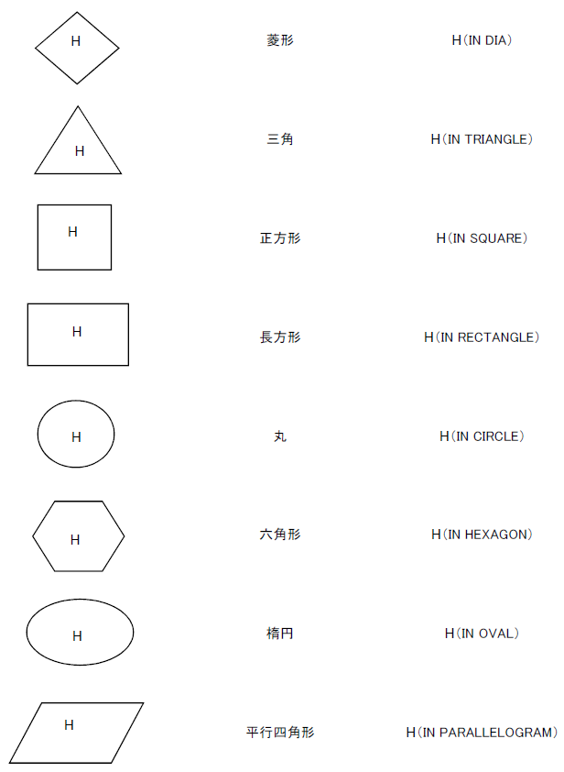
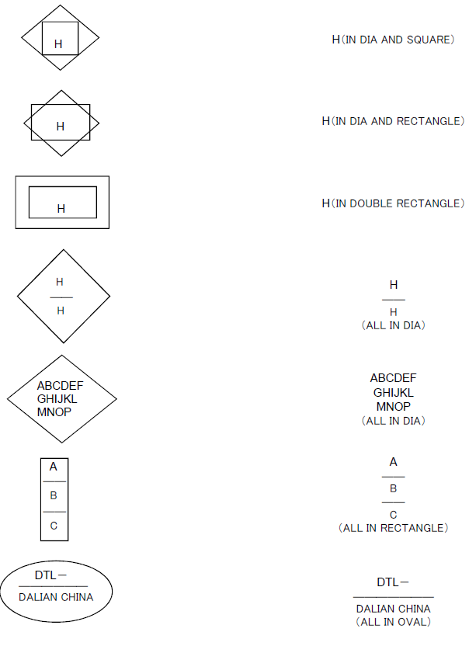
記号 | 名称 | 英語

